Severity Calculator
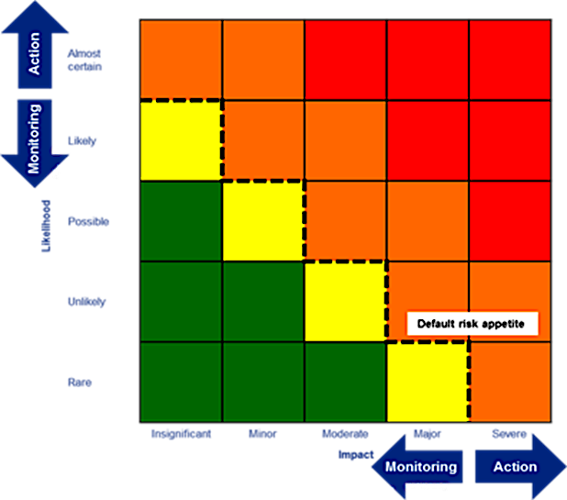
SEVERITY CALCULATOR

Instructions
Risk Likelihood x Risk Impact = Severity of Given Risk
Likelihood
Almost certain | 5 |  | Severity
Likely | 4 |  | Severe | 4
Possible | 3 |  | Major | 3
Unlikely | 2 |  | Moderate | 2
Rare | 1 |  | Minor | 1

Impact |  |  | Color | Severity rating
Severe | 5 |  |  | SEVERE
Major | 4 |  |  | MAJOR
Moderate | 3 |  |  | MODERATE
Minor | 2 |  |  | MINOR
Insignificant | 1

Priority
Critical | 4
Major | 3
Medium | 2
Low | 1

Typical default risk apetite indicated by dotted line
Calculator
Likelihood | Impact | Severity |  | Severity | Priority
Almost Certain | Severe | Severe | Almost Certain Severe | Severe | Critical
Almost Certain | Major | Severe | Almost Certain Major | Severe | Critical
Almost Certain | Moderate | Severe | Almost Certain Moderate | Severe | Critical
Almost Certain | Minor | Major | Almost Certain Minor | Major | Major
Almost Certain | Insignificant | Major | Almost Certain Insignificant | Major | Major
Likely | Severe | Severe | Likely Severe | Severe | Critical
Likely | Major | Severe | Likely Major | Severe | Critical
Likely | Moderate | Major | Likely Moderate | Major | Major
Likely | Minor | Major | Likely Minor | Major | Major
Likely | Insignificant | Moderate | Likely Insignificant | Moderate | Medium
Possible | Severe | Severe | Possible Severe | Severe | Critical
Possible | Major | Major | Possible Major | Major | Major
Possible | Moderate | Major | Possible Moderate | Major | Major
Possible | Minor | Moderate | Possible Minor | Moderate | Medium
Possible | Insignificant | Minor | Possible Insignificant | Minor | Low
Unlikely | Severe | Major | Unlikely Severe | Major | Major
Unlikely | Major | Major | Unlikely Major | Major | Major
Unlikely | Moderate | Moderate | Unlikely Moderate | Moderate | Medium
Unlikely | Minor | Minor | Unlikely Minor | Minor | Low
Unlikely | Insignificant | Minor | Unlikely Insignificant | Minor | Low
Rare | Severe | Major | Rare Severe | Major | Major
Rare | Major | Moderate | Rare Major | Moderate | Medium
Rare | Moderate | Minor | Rare Moderate | Minor | Low
Rare | Minor | Minor | Rare Minor | Minor | Low
Rare | Insignificant | Minor | Rare Insignificant | Minor | Low

Drop Down Value
Yes
No

